Documentation
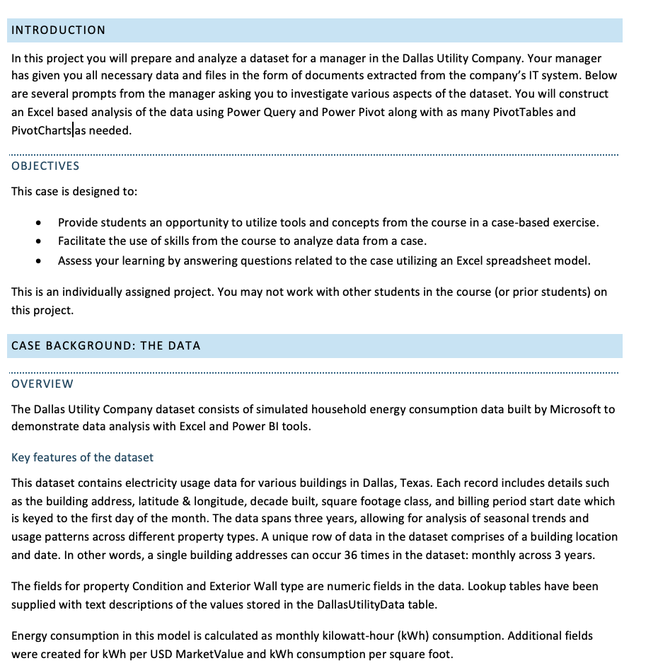
Business Utility Report: Connecting and transforming large-scale databases through Power Query to build reliable, insight-driven data models.

Username: | SKATUWAL | Class Number: | CLOUD-BASED ANALYTICS: 7130
Prepared by: | Shaira Katuwal | Lab Instructor's Name: | Eric Kinser
Today is: | 2026-04-14

OverviewOfUsage
Slicers | Dallas Utility Report Summary

 | Unique Addresses | Total Monthly kWh Use | Avg Monthly kWh Use | Max Monthly kWh Use | Min Monthly kWh Use
 | 2157 | 82469901.108 | 1061.55 | 12500.37 | 40.13
How did the usage compare over specific time period?
 | Total
Jan Qtr1 | 553.91545888
Feb Qtr1 | 664.07131626
Mar Qtr1 | 830.45578149
Apr Qtr2 | 996.85330154
May Qtr2 | 1108.1182239
Jun Qtr2 | 1329.8630025
Jul Qtr3 | 1993.7889813
Aug Qtr3 | 1661.2419001
Sep Qtr3 | 1218.3191969
Oct Qtr4 | 997.17481473
Nov Qtr4 | 830.97759822
Dec Qtr4 | 553.85204411
 |  |  |  | Decade | Total Monthly kWh Use | Avg Monthly kWh | Unique Addresses
 |  |  |  | 1910 | 75430.716284 | 419.05953491 | 5
 |  |  |  | 1920 | 152594.41659 | 605.53339917 | 7
 |  |  |  | 1930 | 69018.353165 | 639.0588256 | 3
 |  |  |  | 1940 | 696445.28321 | 604.55319723 | 32
 |  |  |  | 1950 | 2203498.5781 | 665.30754168 | 92
 |  |  |  | 1960 | 10401328.689 | 849.78175565 | 340
 |  |  |  | 1970 | 24950183.577 | 1288.2168307 | 538
 |  |  |  | 1980 | 22911327.63 | 948.47357303 | 670
 |  |  |  | 1990 | 18496614.243 | 1381.1689249 | 372
 |  |  |  | 2000 | 2039194.2448 | 674.33672115 | 84
How did the usage compare over specific time period?
 | Total
Jan Qtr1 | 3586048.6808
Feb Qtr1 | 4299197.7015
Mar Qtr1 | 5376370.7294
Apr Qtr2 | 6453628.2742
May Qtr2 | 7173957.3817
Jun Qtr2 | 8609533.0784
Jul Qtr3 | 12907789.865
Aug Qtr3 | 10754880.061
Sep Qtr3 | 7887398.4806
Oct Qtr4 | 6455709.7506
Nov Qtr4 | 5379748.9709
Dec Qtr4 | 3585638.1336
 |  |  |  | 2010 | 474265.37678 | 941.00273171 | 14
 |  |  |  | Grand Total | 82469901.108 | 1061.552635 | 2157

 |  |  |  | Story Classes | Total Monthly kWh Use | Avg Monthly kWh | Unique Addresses
 |  |  |  | 1 | 48087141.288 | 908.67613923 | 1470
 |  |  |  | 1.5 | 17528658.101 | 1526.3547633 | 318
 |  |  |  | 2 | 16050300.341 | 1338.8638923 | 333
 |  |  |  | 3 | 763553.59173 | 623.81829389 | 34
 |  |  |  | Unknown | 40247.785917 | 558.99702662 | 2
 |  |  |  | Grand Total | 82469901.108 | 1061.552635 | 2157

 |  |  |  | Square Classes | Total Monthly kWh Use | Avg Monthly kWh | Unique Addresses
 |  |  |  | <1000 | 1720491.5718 | 327.33857911 | 146
 |  |  |  | 1000+ | 14443868.649 | 627.88509167 | 639
 |  |  |  | 1500+ | 18979457.733 | 926.55036775 | 568
 |  |  |  | 2000+ | 21800916.66 | 1288.4702518 | 470
 |  |  |  | 2500+ | 11618685.941 | 1735.1681513 | 186
 |  |  |  | 3000+ | 7360412.134 | 2198.4504582 | 93
 |  |  |  | 3500+ | 6546068.4191 | 3306.0951612 | 55
 |  |  |  | Grand Total | 82469901.108 | 1061.552635 | 2157

UsageByHouseCondition
Detailed Utility Report By Property Conditions

How did the usage compare over specific time period?
 | Total
Qtr1 2010 | 4419625.7354
Qtr2 2010 | 7412746.3703
Qtr3 2010 | 10519493.318
Qtr4 2010 | 5139167.417
Qtr1 2011 | 4419645.339
Qtr2 2011 | 7412438.0956
Qtr3 2011 | 10514841.171
Qtr4 2011 | 5143072.5211
Qtr1 2012 | 4422346.0372
Qtr2 2012 | 7411934.2683
Qtr3 2012 | 10515733.918
Qtr4 2012 | 5138856.9169
Do older properties require more total kWh?
 | Total
1910 | 75430.716284
1920 | 152594.41659
1930 | 69018.353165
1940 | 696445.28321
1950 | 2203498.5781
1960 | 10401328.689
1970 | 24950183.577
1980 | 22911327.63
1990 | 18496614.243
2000 | 2039194.2448
2010 | 474265.37678
 | Property Condition | Total Monthly kWh Use | Unique Address | Min monthly Usage kwh | Avg Monthly kWh Use | Max Monthly kWh Use
 | Good | 32154375.362 | 866 | 40.1345849 | 1031.38 | 11458.1651
 | Very Good | 20308690.191 | 464 | 44.2934959 | 1215.80 | 11839.06287
 | Average | 18117010.955 | 525 | 41.91826331 | 958.57 | 10015.60391
 | Excellent | 6427861.755 | 140 | 119.7961563 | 1275.37 | 12500.36834
 | Fair | 3990523.2936 | 118 | 117.3327471 | 939.39 | 5188.939845
 | Poor | 1078977.7277 | 34 | 149.8835616 | 881.52 | 3370.420773
 | Very Poor | 238367.65664 | 7 | 120.1657758 | 945.90 | 4532.196446
 | Manually Enter Depreciation | 79877.884065 | 2 | 448.0951449 | 1109.42 | 2459.09488
 | Unsound | 74216.282046 | 2 | 359.0723055 | 1030.78 | 2518.160075
 | Grand Total | 82469901.108 | 2157 | 40.1345849 | 1061.55 | 12500.36834

How does property features impact usage?
Do bigger properties require more kWh?
 | Average of Monthly kWh Use | Distinct Count of Address
1910 <1000 | 372.42890266 | 4
1920 <1000 | 302.65478773 | 2
1930 <1000 | 387.50759464 | 1
1940 <1000 | 408.4506245 | 8
1950 <1000 | 408.87792894 | 24
1960 <1000 | 467.40429452 | 20
1980 <1000 | 262.99009871 | 87
1910 1000+ | 605.58206393 | 1
1920 1000+ | 696.87807045 | 3
1930 1000+ | 590.91804232 | 1
1940 1000+ | 576.34571102 | 18
1950 1000+ | 595.02531449 | 53
1960 1000+ | 704.9346125 | 210
1970 1000+ | 687.55184156 | 124
1980 1000+ | 539.89705705 | 206
1990 1000+ | 533.1632588 | 19
2000 1000+ | 344.82053676 | 4
1920 1500+ | 771.39500369 | 2
1930 1500+ | 938.75083984 | 1
1940 1500+ | 950.64575282 | 6
1950 1500+ | 944.45443435 | 8
1960 1500+ | 1047.7174132 | 91
1970 1500+ | 1078.6809182 | 178
1980 1500+ | 882.6547488 | 145
1990 1500+ | 790.41047209 | 91
2000 1500+ | 507.03639316 | 46
1950 2000+ | 1750.232532 | 5
1960 2000+ | 1637.8855463 | 12
1970 2000+ | 1569.6084422 | 172
1980 2000+ | 1243.2356548 | 130
1990 2000+ | 1023.4077426 | 118
2000 2000+ | 703.12757974 | 24
2010 2000+ | 882.75182125 | 9
1950 2500+ | 1776.0418687 | 2
1960 2500+ | 1845.0451004 | 5
1970 2500+ | 2111.5812147 | 42
1980 2500+ | 1733.247029 | 63
1990 2500+ | 1594.9965985 | 63
2000 2500+ | 1061.4892495 | 6
2010 2500+ | 1045.8543705 | 5
1970 3000+ | 2283.3996031 | 18
1980 3000+ | 2491.1150702 | 31
1990 3000+ | 1960.2757572 | 43
2000 3000+ | 1838.2750163 | 1
1960 3500+ | 3659.6528742 | 2
1970 3500+ | 4009.6917965 | 4
1980 3500+ | 3177.434588 | 8
1990 3500+ | 3321.0165344 | 38
2000 3500+ | 2286.3519725 | 3
Has Pool?
 | Total
N | 929.73098611
Y | 2011.3702192
Has Spa?
 | Total
N | 1029.2885363
Y | 1868.155102
 | Exterior Condition | Total Monthly kWh Use | Unique Address | Min monthly Usage kwh | Avg Monthly kWh Use | Max Monthly kWh Use
 | Stone Veneer | 683967.56721 | 8 | 119.7961563 | 2374.89 | 10272.28335
 | Stucco | 2234025.9022 | 44 | 95.39357886 | 1410.37 | 12500.36834
 | Brick Veneer | 76949700.341 | 1983 | 40.1345849 | 1077.36 | 11839.06287
 | Aluminium | 93317.045485 | 3 | 198.2540864 | 864.05 | 2298.456899
 | Permastone | 26777.16635 | 1 | 345.8513378 | 743.81 | 1415.979166
 | Frame | 1791241.7469 | 80 | 120.1657758 | 621.96 | 2896.771832
 | Vinyl | 158595.82987 | 8 | 149.8835616 | 550.68 | 1712.227222
 | Asbestos Shingles | 154092.24408 | 8 | 117.3327471 | 535.04 | 1653.545473
 | Unassigned | 313900.8356 | 18 | 130.8728508 | 484.41 | 1566.372049
Has Sauna?
 | Total
N | 1061.2662732
Y | 1149.5475208
 | Fiberboard | 32230.744826 | 2 | 182.0550582 | 447.65 | 906.5279382
Has Fireplace?
 | Total
N | 680.19564049
Y | 1164.0100991
 | Weatherboard | 32051.683983 | 2 | 188.0197814 | 445.16 | 881.860881
 | Grand Total | 82469901.108 | 2157 | 40.1345849 | 1061.55 | 12500.36834

NeighborhoodConditions
Slicers | Utility Report By Consumer Location
Who are our top 10 consumers?
 | 1970 | 1980 | 1990
14905 Bellbrook Dr |  |  | 173795.63562
2710 Raintree Dr | 181893.2719
14828 Bellbrook Dr |  |  | 184436.36902
14784 Winnwood Rd |  |  | 192002.69348
14816 Winnwood Rd |  |  | 196023.45393
14916 Havenshire Pl |  | 207972.90231
14888 Lake Forest Dr |  |  | 208113.74188
15032 Winnwood Rd |  |  | 219036.99335
14816 Bellbrook Dr |  |  | 226660.72434
5505 Celestial Rd |  |  | 239527.90981
 | Consumer Location | Avg Monthly kWh Use | Total Monthly kWh Use | Unique Addresses
 | Addison | 1105 | 14081459 | 12744
 | Carrollton | 1053 | 68388442 | 64944
 | Grand Total | 1062 | 82469901 | 77688

 | City | All
 | SquareFootClass | All
 | DecadeBuilt | All

 | Consumer Location | Avg Monthly kWh Use | Total Monthly kWh Use | Unique Addresses
 | Two Worlds Keller Springs Village | 681 | 1520276 | 2232
 | Josey Ranch Sec 2 | 1734 | 3620272 | 2088
 | Midway Meadows | 980 | 1094140 | 1116
 | Waterford | 1109 | 1197799 | 1080
 | Carrollton Downs 3 | 958 | 1034237 | 1080
 | Josey Ranch Sec 1 | 2099 | 2266996 | 1080
 | Addison Place Rev | 774 | 807873 | 1044
 | Briarwyck Estates Ph 1 | 1384 | 1444922 | 1044
 | Oak Tree Condominiums | 232 | 233871 | 1008
 | Mill Valley Ph 2 | 1155 | 1080764 | 936
 | Ridgeline Townhome Condominium | 440 | 395929 | 900
 | Valley Of Bent Tree Condominiums | 230 | 207072 | 900
 | Copperwood | 1209 | 1088476 | 900
 | La Cuesta Mesa 2 | 1333 | 1200036 | 900
 | Mill Valley Ph 1 | 1251 | 1126187 | 900
 | Townhomes Of District A Ph 1-11 | 500 | 378218 | 756
 | Park Terrace | 882 | 666955 | 756
 | Carrollton Downs 1 | 880 | 665510 | 756
 | Oaks North | 2043 | 1544730 | 756
 | Hill N Dale 2 | 781 | 590441 | 756
 | Country Place Sec 6 | 934 | 672285 | 720
 | Waterford Park 2 | 845 | 608440 | 720
 | Woodcreek 1 | 1677 | 1207720 | 720
 | Wellington Run Ph 3 | 1919 | 1312262 | 684
 | Park Place | 688 | 470568 | 684
 | Country North Estates | 1760 | 1203503 | 684
 | Summertree | 1224 | 837215 | 684
 | Copperwood Ph 2 | 1452 | 940778 | 648
 | Rollingwood Estates 2 Rev | 885 | 573435 | 648
 | Wellington Run Ph 2A | 1338 | 867304 | 648
 | Country Place Townhouse 1 | 1586 | 970713 | 612
 | Crosby Estates 2 | 919 | 562545 | 612
 | Keller Springs Village 2 | 1299 | 794996 | 612
 | Woodcreek 2Nd Inst | 1408 | 811089 | 576
 | Ridgecrest 3 | 1455 | 838181 | 576
 | Palo Alto Park 2 | 561 | 323026 | 576
 | Nob Hill Crest | 984 | 566777 | 576
 | Palo Alto Park 1 | 709 | 382696 | 540
 | Carrollton Highlands | 705 | 380479 | 540
 | Ridgecrest 4 | 1593 | 860309 | 540
 | Holiday Park 3 | 717 | 387131 | 540
 | Wellington Run Ph 1 Amnd | 1425 | 769365 | 540
 | Aventura Condos | 404 | 218115 | 540
 | Keller Springs Place | 810 | 437510 | 540
 | Country Place Sec 4 | 1991 | 1003246 | 504
 | Holiday Park 2 | 665 | 335235 | 504
 | Whitlock | 602 | 281685 | 468
 | Wellington Run Ph 2B | 1782 | 834140 | 468
 | Town Homes Of Addison | 730 | 341523 | 468
 | Oakwood Estates | 1695 | 793285 | 468
 | Country Place Sec 1 | 1577 | 738175 | 468
 | Hill N Dale | 837 | 391563 | 468
 | Wellington Run Ph 4-B | 1517 | 710032 | 468
 | Park Place 3 | 743 | 347899 | 468
 | Holiday Park 1 | 840 | 393272 | 468
 | Lakeshore Condominiums | 363 | 169852 | 468
 | Belaire Heights | 872 | 376552 | 432
 | Les Lacs Garden Homes | 623 | 268997 | 432
 | Bluffview | 711 | 307222 | 432
 | Country Place Sec 2 | 1917 | 828220 | 432
 | Summertree 2 | 981 | 423983 | 432
 | Park Place 2 | 663 | 286389 | 432
 | Addison Town Center | 1331 | 575207 | 432
 | Country Villas | 697 | 301044 | 432
 | Crosby Estates 6 | 789 | 340749 | 432
 | Whitlock 2 Sec A | 477 | 205986 | 432
 | Crosby Estates 3 | 767 | 303629 | 396
 | La Cuesta Mesa | 1218 | 482424 | 396
 | Whitlock 3 | 537 | 212564 | 396
 | Northland Estates 1 | 1309 | 518281 | 396
 | Country Place Sec 5 | 2779 | 1100612 | 396
 | Waterview Estates | 1099 | 435311 | 396
 | Grand Addison 3 | 1003 | 397344 | 396
 | Rollingwood Estates 8 | 1062 | 420621 | 396
 | Savoy 2 | 1449 | 573999 | 396
 | Oak Tree North Estates 1St Inst | 798 | 316082 | 396
 | Palo Alto Park 4 | 709 | 255073 | 360
 | Waterford Park 1 | 1332 | 479455 | 360
 | Santa Rosa Heights | 959 | 345165 | 360
 | Country Place Townhouse 3 | 1569 | 564793 | 360
 | Crosby Estates 4 | 913 | 328759 | 360
 | Holiday Park 5 | 919 | 330700 | 360
 | Quorum View Condominiums | 300 | 108076 | 360
 | Holiday Park 6 | 789 | 284127 | 360
 | Springwood | 1232 | 443537 | 360
 | Jackson Arms Rev Sec 2 | 752 | 270779 | 360
 | Whitlock 3 2Nd Inst | 525 | 188903 | 360
 | Keller Springs Village | 1456 | 524156 | 360
 | Oak Tree North Estates 2Nd Inst | 884 | 318211 | 360
 | Francis Perry 1 | 817 | 264592 | 324
 | Trinity Meadows Condominiums | 221 | 71628 | 324
 | High Pointe Ph 1 | 691 | 223771 | 324
 | Nob Hill Ph 1 | 953 | 308730 | 324
 | Asbury Circle | 914 | 296275 | 324
 | Northcrest Estates 5 | 799 | 258932 | 324
 | Grand Addison 2 | 950 | 307811 | 324
 | Country Villas Rev | 749 | 242745 | 324
 | Carrollton Place | 895 | 290065 | 324
 | Holiday Park 4 | 744 | 240928 | 324
 | Bluffview Ph 2 | 970 | 279461 | 288
 | Towne Lake | 900 | 259186 | 288
 | Overture Rep | 1929 | 555570 | 288
 | Pond At Briarwyck 2Nd Rep | 883 | 254223 | 288
 | Northcrest Estates 4 | 736 | 211950 | 288
 | Pond At Briarwyck Rep | 810 | 233192 | 288
 | Woodcrest Estates | 1578 | 454479 | 288
 | Morningside | 1474 | 424545 | 288
 | Irishmans Creek Condominiums | 248 | 71356 | 288
 | Santa Rosa Heights 3 | 1125 | 323975 | 288
 | Park Heights | 521 | 131372 | 252
 | Duncan Heights 3 | 628 | 158190 | 252
 | Bellbrook Estates | 4379 | 1103459 | 252
 | Summerfield Ph 1 | 503 | 126700 | 252
 | Northcrest Estates 6 Ph C | 920 | 231837 | 252
 | Country Place Sec 3 | 1888 | 475773 | 252
 | Willowbrook Place | 530 | 133479 | 252
 | La Mirada Condominiums | 428 | 107846 | 252
 | High Pointe Ph 2 | 420 | 105960 | 252
 | Ridgecrest | 2026 | 510597 | 252
 | Country Villas Rev Rep | 655 | 165182 | 252
 | Carrollton Downs 2 | 646 | 162692 | 252
 | Northcrest Estates 2 | 722 | 155945 | 216
 | Midway Meadows Rev | 881 | 190335 | 216
 | Metro | 1423 | 307456 | 216
 | Overture | 1280 | 276471 | 216
 | New Carrollton | 433 | 93519 | 216
 | Palo Alto Park 3 | 612 | 132253 | 216
 | Coves At Columbian Club | 572 | 123477 | 216
 | Mallard Cove 3 | 1091 | 235687 | 216
 | Duncan Heights 1 | 618 | 133585 | 216
 | Parkview Villas | 561 | 101040 | 180
 | Francis Perry 2 | 1613 | 290312 | 180
 | Northcrest Estates 1 | 724 | 130290 | 180
 | Crosby Estates | 959 | 172681 | 180
 | Northcrest Estates 6 Ph C 3Rd Rep | 524 | 94403 | 180
 | Mallard Cove 4 | 660 | 118845 | 180
 | Cambridge Estates | 1420 | 255641 | 180
 | Paige Place | 643 | 115652 | 180
 | Chatham Court | 829 | 149177 | 180
 | Northcrest Estates 6 Ph B | 952 | 171345 | 180
 | Westfield Court | 1237 | 222652 | 180
 | E W Brake | 542 | 97536 | 180
 | 2800 Keller Springs Townhome | 389 | 56065 | 144
 | Northcrest Estates 6 Ph C 2Nd Rep | 426 | 61329 | 144
 | Parks Of Carrollton | 1984 | 285681 | 144
 | Jackson Arms Rep Sec 2 Ph 1 | 1083 | 155977 | 144
 | W R Jones | 328 | 47279 | 144
 | Pecan Square Condominiums | 327 | 47104 | 144
 | Joshua B Lee Abst 798 Pg 505 | 739 | 106485 | 144
 | Celestial Place | 2013 | 289905 | 144
 | Ridgecrest 2 | 1409 | 202831 | 144
 | Jackson Place | 605 | 87093 | 144
 | Davin Place | 1771 | 254982 | 144
 | Whitlock 2 Sec B | 559 | 80428 | 144
 | Carrollton Manor | 571 | 82201 | 144
 | Whitlock 4 | 1087 | 156477 | 144
 | Rollingwood Estates 5 Rev | 1118 | 161063 | 144
 | Northside Estates | 496 | 71377 | 144
 | Josey Park Estates | 2074 | 298664 | 144
 | High Pointe Rep | 680 | 97850 | 144
 | Jackson Arms Rev | 645 | 69707 | 108
 | Summertree 3 | 965 | 104234 | 108
 | Whitlock 2 Sec C | 617 | 66583 | 108
 | Trafalgar Sq Ph 1 | 977 | 105469 | 108
 | Sherwood Place | 527 | 56952 | 108
 | Trafalgar Square Ph 1 | 1289 | 139219 | 108
 | Heritage Manor Rev Rep | 600 | 64824 | 108
 | Trafalgar Square Ph 4 | 761 | 82176 | 108
 | Summerfield Ph 3 | 503 | 54307 | 108
 | Trafalgar Square Ph 5 | 1405 | 151692 | 108
 | Allen Bledsoe Abst 157 Pg 186 | 4658 | 503023 | 108
 | Trafalgar Square Ph 7 | 802 | 86609 | 108
 | Wellington Run Ph 4A | 1200 | 129614 | 108
 | Parkside Estate Ph 2 | 1369 | 147853 | 108
 | Carrollton Heights | 939 | 101449 | 108
 | Martha P Green Abst 519 Pg 255 | 693 | 74831 | 108
 | Summerfield Ph 2 | 533 | 57578 | 108
 | Parkside Homes Rev | 666 | 71882 | 108
 | Jackson Arms Rep Sec 2 Ph 2 | 1182 | 127653 | 108
 | Brooktown Townehouse | 683 | 73806 | 108
 | Les Lacs Ph 1 | 1238 | 133721 | 108
 | Santa Rosa Heights 3 Sec 2 | 1067 | 115237 | 108
 | Country Place Duplex | 839 | 90605 | 108
 | Country Lake Townhouse | 1391 | 150185 | 108
 | Rollingwood Estates 5 | 1031 | 111305 | 108
 | Woods Rev Rep | 4685 | 506028 | 108
 | Parkcreek Estates | 1215 | 131267 | 108
 | Millview Place | 1053 | 75832 | 72
 | Country Place 2 | 2041 | 146973 | 72
 | Joshua B Lee Abst 798 Pg 130 | 527 | 37963 | 72
 | Holiday Park 7 | 994 | 71564 | 72
 | Country Place Townhouse 3 Rev | 2525 | 181791 | 72
 | Duncan Heights 2 | 731 | 52605 | 72
 | Triple Seven | 1229 | 88508 | 72
 | Rollingwood Estates 3 | 845 | 60832 | 72
 | Frances Perry Estates | 1158 | 83399 | 72
 | J H Maltpress 1 | 526 | 37893 | 72
 | Country Place Townhouse | 3261 | 234793 | 72
 | Rollingwood Estates 8 Rev | 813 | 58522 | 72
 | Woodcreek 777 | 1583 | 114001 | 72
 | Lakehill Townhouse | 1446 | 104081 | 72
 | Trafalgar Square Rev | 550 | 39597 | 72
 | Santa Rosa Heights 2 | 820 | 59042 | 72
 | W F Jackson | 845 | 60823 | 72
 | J H Maltpress 2 | 771 | 55540 | 72
 | Palo Alto Park Annex 4 | 860 | 61901 | 72
 | Josey Ranch Ph Iv | 1141 | 82125 | 72
 | Wellington Run Ph 2C | 1016 | 73139 | 72
 | Stanford Court Villas | 850 | 61223 | 72
 | Addison Circle Ph 2 | 1282 | 92299 | 72
 | Strassbourg Estates | 5070 | 365070 | 72
 | Whitlock 2 Sec D | 615 | 44309 | 72
 | Country Place Duplex 2 | 1154 | 83092 | 72
 | William Larner Abst 799 Pg 513 | 495 | 35612 | 72
 | Jackson Arms | 874 | 62908 | 72
 | Woodcreek Rep | 976 | 70288 | 72
 | Trafalgar Square Ph 2 | 1781 | 128254 | 72
 | Trafalgar Square Ph 6 | 731 | 52613 | 72
 | Martha P Green Abst 519 Pg 235 | 1585 | 114131 | 72
 | Sherwood 1 | 576 | 20723 | 36
 | Loewen | 2775 | 99918 | 36
 | Duncan Heights | 1531 | 55118 | 36
 | Terraceview | 619 | 22287 | 36
 | Milliken | 3788 | 136364 | 36
 | Frances Perry 1 Replat | 626 | 22529 | 36
 | Glass Addn | 933 | 33571 | 36
 | Northcrest Estates 6 Ph A | 891 | 32076 | 36
 | Midway Meadows Revised Replat | 1058 | 38094 | 36
 | Jackson Arms Rep | 705 | 25376 | 36
 | Norwich Place | 952 | 34262 | 36
 | Country Place Sec 7 | 1366 | 49177 | 36
 | F S Hankins | 936 | 33682 | 36
 | Trafalgar Square 1 | 868 | 31247 | 36
 | Midway Meadows Rep Of Rev | 1372 | 49400 | 36
 | Trafalgar Square 1 Ph 1 Rep | 924 | 33249 | 36
 | Northcrest Estates 6 Ph D Rev Rep | 389 | 14016 | 36
 | Trafalgar Square 2 | 578 | 20821 | 36
 | Lake Forest | 5781 | 208114 | 36
 | Oakwood Terrace | 1319 | 47492 | 36
 | Crosby Estates 5 | 776 | 27947 | 36
 | Nob Hill Ph 2 | 965 | 34756 | 36
 | Mill Valley Ph 3 | 870 | 31335 | 36
 | Trafalgar Square Ph 2 Rep | 1097 | 39490 | 36
 | Willow Lane | 423 | 15228 | 36
 | Trafalgar Square Ph 3 | 1488 | 53583 | 36
 | Milliken Rep | 2521 | 90769 | 36
 | Trafalgar Square Ph 3 Rep | 980 | 35293 | 36
 | Rollingwood Estates 5 Rev Rep | 918 | 33037 | 36
 | Keller Springs Place Rep | 623 | 22436 | 36
 | Wellington Run Ph 1 | 729 | 26257 | 36
 | Martha P Green Abst 519 Pg 245 | 439 | 15794 | 36
 | Joshua B Lee Abst 798 Pg 518 | 443 | 15937 | 36
 | Hill N Dale Addn | 759 | 27307 | 36
 | Northcrest Estates 6 Ph D 2Nd Rep | 396 | 14258 | 36
 | Oxford Townhomes | 515 | 18524 | 36
 | Donald L Swanson | 528 | 19007 | 36
 | Ramsey | 651 | 23429 | 36
 | Int20070266564 Dd | 945 | 34019 | 36
 | Josey Ranch Sec 2 Rep | 1832 | 65956 | 36
 | Park Terrace Rev | 562 | 20246 | 36
 | Trinity Square | 351 | 12625 | 36
 | A W Perry 1 Rep | 627 | 22569 | 36
 | Allen Bledsoe Abst 157 Pg 185 | 1530 | 55068 | 36
 | Whitlock 2 Sec E | 1658 | 59677 | 36
 | Meridian Square | 785 | 28269 | 36
 | Parkside Estates | 1664 | 59909 | 36
 | Addison Pl/ Rev Bent Tree So | 579 | 20861 | 36
 | William Larner Abst 799 Pg 250 | 523 | 18845 | 36
 | Veecors | 433 | 15572 | 36
 | William Larner Abst 799 Tr 513 | 524 | 18858 | 36
 | Armstrong Rep | 1946 | 70054 | 36
 | Willow Lane Condominiums | 420 | 15116 | 36
 | A W Perry 3 | 617 | 22208 | 36
 | Country Place 2 Replat | 2364 | 85104 | 36
 | Warner | 758 | 27285 | 36
 | Brooktown Townhouse | 595 | 21405 | 36
 | Santa Rosa Heights 3 Sec 3 | 940 | 33824 | 36
 | Pond At Briarwyck | 589 | 21208 | 36
 | Jackson Arms Rep Sec 1 | 464 | 16692 | 36
 | T E Sadler | 931 | 33527 | 36
 | 2800 Keller Springs | 694 | 24978 | 36
 | Grand Total | 1062 | 82469901 | 77688

OutlierConditions
Slicers | Outlier Conditions
Do the outliers belong to a certain property category?
 | No | Yes
1910 | 180
1920 | 252
1930 | 108
1940 | 1152
1950 | 3309 | 3
1960 | 12210 | 30
1970 | 19168 | 200
1980 | 23970 | 186
1990 | 13040 | 352
2000 | 3018 | 6
2010 | 504
 |  | Is an outlier? | Unique Addresses | Total Monthly kWh Use | Avg Monthly kWh Use | % representation
 |  | No | 2157 | 78107071 | 1016 | 99.00%
 |  | Yes | 120 | 4362830 | 5615 | 1.00%
 |  | Grand Total | 2157 | 82469901 | 1062 | 100.00%

 |  | PeriodStart (Month) | All
 |  | City | All
 |  | IsAnOutlier | All
 |  | Condition Description | All
 |  | Exterior Wall Description | All

 |  | Unique Addresses | Total Monthly kWh Use | Avg Monthly kWh Use | % representation
 |  | 2157 | 82469901 | 1062 | 100.00%

Bigger properties use higher kwh on average?
 | Total
<1000 | 23.921042144
1000+ | 35.287775613
1500+ | 48.323862077
2000+ | 61.754254885
2500+ | 75.31212621
3000+ | 89.123954183
3500+ | 122.6666662

Total usage of outliers
 | No | Yes
<1000 | 1720491.5718
1000+ | 14443868.649
1500+ | 18979457.733
2000+ | 21633875.178 | 167041.48171
2500+ | 11206906.991 | 411778.95019
3000+ | 6379448.3266 | 980963.80734
3500+ | 3743022.5188 | 2803045.9003

.
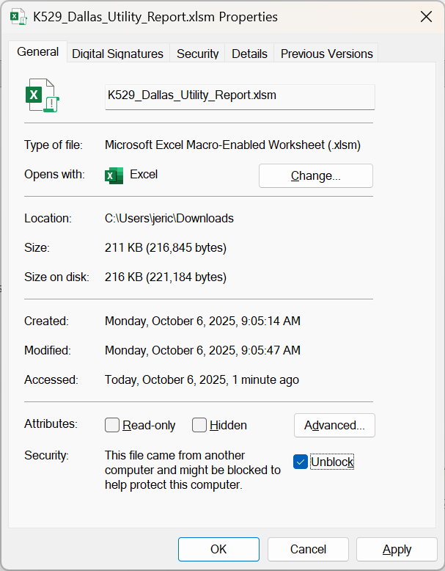
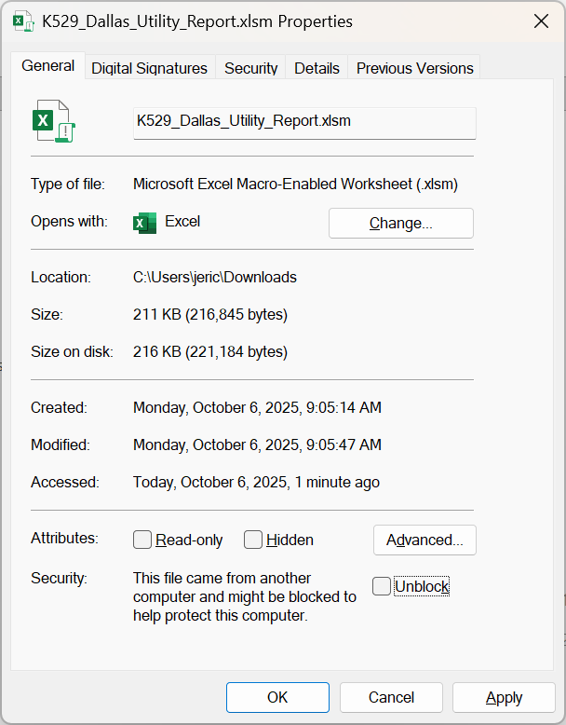
If this file generates a VBA error or otherwise will not open, Unblock it by following these steps:
1. Open the Windows File Explorer to the location of the file.
2. Right-click the file and select Properties.
3. Check the Unblock box.
4. Click OK, and reopen the file.
Please Enable Macros

